Instructions
To create a Weight, Target Weight and BMI Tracker Dashboard Chart, go to the Weight Detail worksheet.

Fill in all the red text shown below:

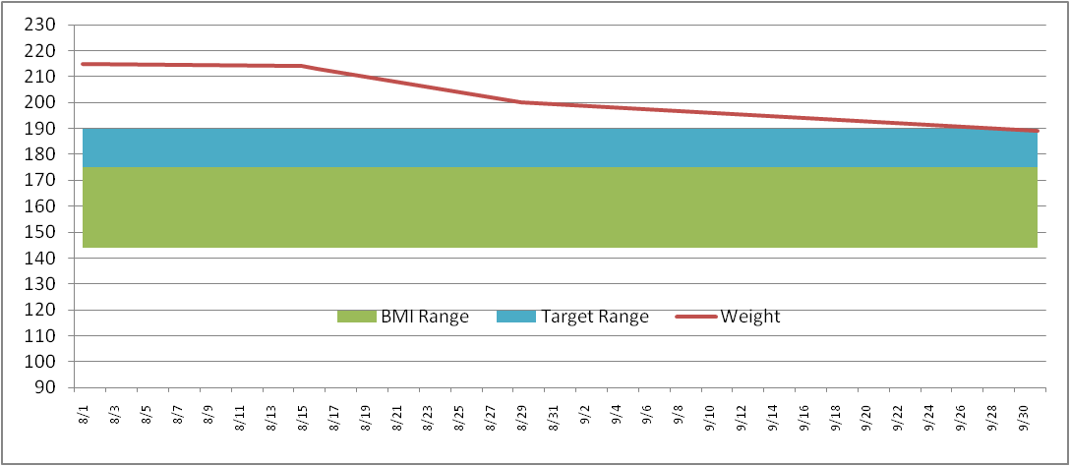
Enter in your NEAREST height in Inches (minimum 58 inches)
Height (inches) | 70

Then enter your target weight range minimum and maximum
Target Weight
Min | 175
Max | 185

Then fill in your last and most current weigh in dates and weight
Date | Weight | BMI Low | BMI Range | Target Low | Target Range
2011-09-01 | 215 | 136 | 36 | 175 | 10
2011-09-02 | 214

This will then build your chart ==================================>
* Current weight line (Red line)
* Target weight range (Blue band)
* Normal BMI weight range (Green band)
The Chart is dynamic and will keep expanding for every date/weight you enter

Weight Detail
Date | Weight | BMI Low | BMI Range | Target Low | Target Range |  | >= 58 Inches
2019-01-11 | 189 | 128 | 34 | 132 | 30 | Height (inches) | 69
2019-04-12 | 176 | 128 | 34 | 132 | 30 | Target Weight | 5 ft 9 in | Normal BMI Range
2019-05-09 | 175 | 128 | 34 | 132 | 30 | Min | 132 | Min | 128
2019-06-06 | 170 | 128 | 34 | 132 | 30 | Max | 162 | Max | 162
2020-01-03 | 160 | 128 | 34 | 132 | 30
2020-03-01 | 154 | 128 | 34 | 132 | 30 | Current Weight | 135 | Current Weight | 135
2020-04-02 | 152 | 128 | 34 | 132 | 30 | Starting Weight | 189 | Previous Weight | 138
2020-04-11 | 140 | 128 | 34 | 132 | 30 | Weight Loss | -54 | Weight Loss | -3
2020-06-06 | 139 | 128 | 34 | 132 | 30
2020-08-13 | 138 | 128 | 34 | 132 | 30
2020-09-08 | 135 | 128 | 34 | 132 | 30

Weight Chart
 | BMI Low | BMI Range | Target Low | Target Range | Weight
1/11/2019 | 128 | 34 | 132 | 30 | 189
4/12/2019 | 128 | 34 | 132 | 30 | 176
5/9/2019 | 128 | 34 | 132 | 30 | 175
6/6/2019 | 128 | 34 | 132 | 30 | 170
1/3/2020 | 128 | 34 | 132 | 30 | 160
3/1/2020 | 128 | 34 | 132 | 30 | 154
4/2/2020 | 128 | 34 | 132 | 30 | 152
4/11/2020 | 128 | 34 | 132 | 30 | 140
6/6/2020 | 128 | 34 | 132 | 30 | 139
8/13/2020 | 128 | 34 | 132 | 30 | 138
9/8/2020 | 128 | 34 | 132 | 30 | 135

